Dashboard
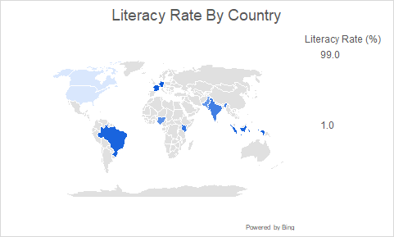
 | GLOBAL EDUCATION DASHBOARD

 | 66.1 | 35.7 | 2916 | 2222
 | Avg Literacy Rate (%) | Avg Global Internet Access | Total Population | Population Literacy<80%

Population by Region
 | Total
Asia | 1916
North America | 369
Africa | 267
South America | 215
Europe | 149
Literacy Rate by Country
 | Total
France | 99
Germany | 99
Indonesia | 93
Brazil | 93
Kenya | 81
India | 74
Nigeria | 62
Pakistan | 58
Canada | 0.99

Insights
According to the pie chart, Asian regions have the greatest population by region (66%).
France and Germany have the greatest literacy rates, whereas North America has the lowest literacy rates.
There are significant gaps in the literacy rates across the USA and Canada.

 | Literacy Rate (%) | Internet Access
2021 | 1.0 | 0.0
2022 | 74.0 | 0.9
2023 | 62.0 | 0.5
2024 | 93.0 | 42.0
2025 | 99.0 | 0.7
2026 | 93.0 | 96.0
2027 | 81.0 | 53.0
2028 | 1.0 | 0.0
2029 | 58.0 | 1.0
2030 | 99.0 | 34.0
 |  | 94.0

Bar chart
Literacy Rate by Country
Row Labels | Sum of Literacy Rate (%)
France | 99
Germany | 99
Indonesia | 93
Brazil | 93
Kenya | 81
India | 74
Nigeria | 62
Pakistan | 58
Canada | 0.99
Grand Total | 659.99

Pie chart
Population by Region
Row Labels | Sum of Population (millions)
Asia | 1916
North America | 369
Africa | 267
South America | 215
Europe | 149
Grand Total | 2916

